T-Shirts
Men's
 | STYLE | DESCRIPTION | COLOUR | SIZE | QTY CTN | PCS IN CTN | QTY PCS | Bkn Pcs. | Bkn Ctn. | Grad T Pcs. | Grad T Ctn.
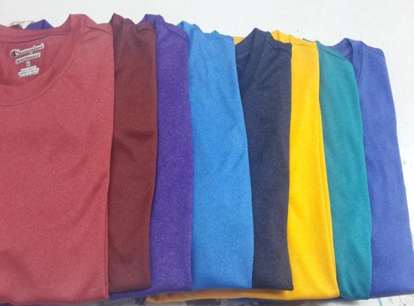 | MA2505 | T-SHIRT | NEW GOLD | S | 2 | 48 | 96 | 20
 | MA2505 | T-SHIRT | NEW GOLD | M | 5 | 48 | 240 | 49
 | MA2505 | T-SHIRT | NEW GOLD | L | 4 | 48 | 192 | 7
 | MA2505 | T-SHIRT | NEW GOLD | XL | 2 | 48 | 96 | 29
 | TOTAL |  |  |  | 13 |  | 624 | 105 | 2 | 729 | 15
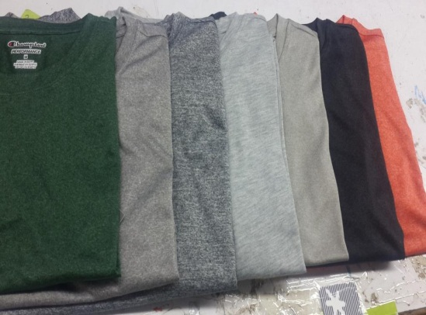 | MA2505 | T-SHIRT | CHARCOAL HTR | S | 4 | 48 | 192 | 12
 | MA2505 | T-SHIRT | CHARCOAL HTR | M | 7 | 48 | 336 | 7
 | MA2505 | T-SHIRT | CHARCOAL HTR | L | 5 | 48 | 240 | 37
 | MA2505 | T-SHIRT | CHARCOAL HTR | XL | 2 | 48 | 96 | 42
 | TOTAL |  |  |  | 18 |  | 864 | 98 | 2 | 962 | 20
 | MA2505 | T-SHIRT | DGN | S | 1 | 48 | 48 | 13
 | MA2505 | T-SHIRT | DGN | M | 5 | 48 | 240 | 18
 | MA2505 | T-SHIRT | DGN | L | 6 | 48 | 288 | 12
 | MA2505 | T-SHIRT | DGN | XL | 1 | 48 | 48 | 30
 | TOTAL |  |  |  | 13 |  | 624 | 73 | 2 | 697 | 15
 | MA2505 | T-SHIRT | PURPLE | S | 2 | 48 | 96 | 42
 | MA2505 | T-SHIRT | PURPLE | M | 5 | 48 | 240 | 41
 | MA2505 | T-SHIRT | PURPLE | L | 5 | 48 | 240 | 36
 | MA2505 | T-SHIRT | PURPLE | XL | 2 | 48 | 96 | 43
 | TOTAL |  |  |  | 14 |  | 672 | 162 | 4 | 834 | 18
 | MA2505 | T-SHIRT | S : P : N | S | 2 | 48 | 96
 | MA2505 | T-SHIRT | S : P : N | M | 2 | 48 | 96
 | MA2505 | T-SHIRT | S : P : N | L |  | 48 | 0
 | MA2505 | T-SHIRT | S : P : N | XL | 1 | 48 | 48
 | TOTAL |  |  |  | 5 |  | 240 |  |  | 240 | 5
 | MA2505 | T-SHIRT | T: R :C | S |  | 48 | 0 | 44
 | MA2505 | T-SHIRT | T: R :C | M | 1 | 48 | 48 | 39
 | MA2505 | T-SHIRT | T: R :C | L | 1 | 48 | 48 | 16
 | MA2505 | T-SHIRT | T: R :C | XL |  | 48 | 0 | 9
 | TOTAL |  |  |  | 2 |  | 96 | 108 | 2 | 204 | 4
 | MA2505 | T-SHIRT | ORANGE | S | 1 | 48 | 48 | 2
 | MA2505 | T-SHIRT | ORANGE | M | 1 | 48 | 48 | 37
 | MA2505 | T-SHIRT | ORANGE | L | 3 | 48 | 144 | 15
 | MA2505 | T-SHIRT | ORANGE | XL | 2 | 48 | 96 | 12
 | TOTAL |  |  |  | 7 |  | 336 | 66 | 2 | 402 | 9
 | MA2505 | T-SHIRT | T R M | S |  | 48 | 0 | 28
 | MA2505 | T-SHIRT | T R M | M | 1 | 48 | 48 | 21
 | MA2505 | T-SHIRT | T R M | L | 1 | 48 | 48 | 18
 | MA2505 | T-SHIRT | T R M | XL |  | 48 | 0 | 30
 | TOTAL |  |  |  | 2 |  | 96 | 97 | 2 | 193 | 4
 | MA2505 | T-SHIRT | AQUA BLACK | S | 3 | 48 | 144 | 17
 | MA2505 | T-SHIRT | AQUA BLACK | M | 6 | 48 | 288 | 6
 | MA2505 | T-SHIRT | AQUA BLACK | L | 4 | 48 | 192
 | MA2505 | T-SHIRT | AQUA BLACK | XL | 2 | 48 | 96 | 10
 | TOTAL |  |  |  | 15 |  | 720 | 33 | 1 | 753 | 16
 | MA2505 | T-SHIRT | TEAL | S | 2 | 48 | 96 | 59
 | MA2505 | T-SHIRT | TEAL | M | 8 | 48 | 384 | 67
 | MA2505 | T-SHIRT | TEAL | L | 7 | 48 | 336 | 65
 | MA2505 | T-SHIRT | TEAL | XL | 6 | 48 | 288 | 18
 | TOTAL |  |  |  | 23 |  | 1104 | 209 | 4 | 1313 | 27
 | MA2505 | T-SHIRT | BLACK | S |  | 48 | 0 | 58
 | MA2505 | T-SHIRT | BLACK | M | 1 | 48 | 48 | 78
 | MA2505 | T-SHIRT | BLACK | L | 1 | 48 | 48 | 80
 | MA2505 | T-SHIRT | BLACK | XL |  | 48 | 0 | 66
 | TOTAL |  |  |  | 2 |  | 96 | 282 | 7 | 378 | 9
 | MA2505 | T-SHIRT | ORANGE POP | S | 3 | 48 | 144 | 14
 | MA2505 | T-SHIRT | ORANGE POP | M | 6 | 48 | 288 | 21
 | MA2505 | T-SHIRT | ORANGE POP | L | 6 | 48 | 288 | 29
 | MA2505 | T-SHIRT | ORANGE POP | XL | 3 | 48 | 144 | 8
 | TOTAL |  |  |  | 18 |  | 864 | 72 | 2 | 936 | 20
 | MA2505 | T-SHIRT | ROYAL T: R: B | S | 1 | 48 | 48 | 23
 | MA2505 | T-SHIRT | ROYAL T: R: B | M | 2 | 48 | 96 | 46
 | MA2505 | T-SHIRT | ROYAL T: R: B | L | 2 | 48 | 96 | 36
 | MA2505 | T-SHIRT | ROYAL T: R: B | XL | 1 | 48 | 48 | 21
 | TOTAL |  |  |  | 6 |  | 288 | 126 | 3 | 414 | 9
 | MA2505 | T-SHIRT | GREY HTR | S | 2 | 48 | 96
 | MA2505 | T-SHIRT | GREY HTR | M | 6 | 48 | 288 | 36
 | MA2505 | T-SHIRT | GREY HTR | L | 6 | 48 | 288
 | MA2505 | T-SHIRT | GREY HTR | XL | 2 | 48 | 96 | 12
 | TOTAL |  |  |  | 16 |  | 768 | 48 | 1 | 816 | 17
 | MA2505 | T-SHIRT | LIGHT GREY | S | 2 | 48 | 96 | 17
 | MA2505 | T-SHIRT | LIGHT GREY | M | 6 | 48 | 288 | 7
 | MA2505 | T-SHIRT | LIGHT GREY | L | 6 | 48 | 288 | 31
 | MA2505 | T-SHIRT | LIGHT GREY | XL | 2 | 48 | 96 | 37
 | TOTAL |  |  |  | 16 |  | 768 | 92 | 2 | 860 | 18
 | MA2505 | T-SHIRT | SLATE GREY | S | 2 | 48 | 96 | 14
 | MA2505 | T-SHIRT | SLATE GREY | M | 4 | 48 | 192 | 8
 | MA2505 | T-SHIRT | SLATE GREY | L | 4 | 48 | 192 | 41
 | MA2505 | T-SHIRT | SLATE GREY | XL | 2 | 48 | 96 | 7
 | TOTAL |  |  |  | 12 |  | 576 | 70 | 2 | 646 | 14
 | MA2505 | T-SHIRT | ROYAL HTR 2 | S | 1 | 48 | 48 | 37
 | MA2505 | T-SHIRT | ROYAL HTR 2 | M | 3 | 48 | 144 | 26
 | MA2505 | T-SHIRT | ROYAL HTR 2 | L | 3 | 48 | 144 | 27
 | MA2505 | T-SHIRT | ROYAL HTR 2 | XL | 1 | 48 | 48 | 31
 | TOTAL |  |  |  | 8 |  | 384 | 121 | 3 | 505 | 11
 | MA2505 | T-SHIRT | GREY HTR 2 | S | 0 | 48 | 0 | 16
 | MA2505 | T-SHIRT | GREY HTR 2 | M | 1 | 48 | 48 | 6
 | MA2505 | T-SHIRT | GREY HTR 2 | L | 3 | 48 | 144 | 9
 | MA2505 | T-SHIRT | GREY HTR 2 | XL | 2 | 48 | 96 | 11
 | TOTAL |  |  |  | 6 |  | 288 | 42 | 1 | 330 | 7
 | MA2505 | T-SHIRT | T :R :M AS | S | 2 | 48 | 96 | 32
 | MA2505 | T-SHIRT | T :R :M AS | M | 5 | 48 | 240 | 23
 | MA2505 | T-SHIRT | T :R :M AS | L | 6 | 48 | 288
 | MA2505 | T-SHIRT | T :R :M AS | XL | 2 | 48 | 96 | 34
 | TOTAL |  |  |  | 15 |  | 720 | 89 | 2 | 809 | 17
 | MA2505 | T-SHIRT | C:BLUE | S | 1 | 48 | 48 | 9
 | MA2505 | T-SHIRT | C:BLUE | M | 2 | 48 | 96 | 15
 | MA2505 | T-SHIRT | C:BLUE | L | 2 | 48 | 96 | 12
 | MA2505 | T-SHIRT | C:BLUE | XL | 1 | 48 | 48 | 10
 |  |  |  |  | 6 |  | 288 | 46 | 1 | 334 | 7
 | MA2505 | T-SHIRT | NAVY HTR | S | 1 | 48 | 48 | 36
 | MA2505 | T-SHIRT | NAVY HTR | M | 2 | 48 | 96 | 67
 | MA2505 | T-SHIRT | NAVY HTR | L | 2 | 48 | 96 | 87
 | MA2505 | T-SHIRT | NAVY HTR | XL | 1 | 48 | 48 | 65
 |  |  |  |  | 6 |  | 288 | 255 | 6 | 543 | 12
 | MA2505 | T-SHIRT | RED HEATHER | S |  | 48 | 0 | 33
 | MA2505 | T-SHIRT | RED HEATHER | M |  | 48 | 0 | 24
 | MA2505 | T-SHIRT | RED HEATHER | L | 2 | 48 | 96 | 5
 | MA2505 | T-SHIRT | RED HEATHER | XL |  | 48 | 0 | 32
 |  |  |  |  | 2 | 2 | 96 | 94 | 2 | 190 | 4

 |  |  |  |  |  |  |  |  |  | Total Pcs | Total Ctn.
 |  |  |  |  |  |  |  |  |  | 13088 | 278

Pant
Boy's
 | STYLE | DESCRIPTION | COLOUR | SIZE | QTY CTN | PCS IN CTN | QTY PCS | Bkn Pcs. | Bkn Ctn. | Ctn.Dim.
 | 306 | PANT | BLACK | S | 71 | 24 | 1704 | 36
 | 306 | PANT | BLACK | M | 145 | 24 | 3480 | 13
 | 306 | PANT | BLACK | L | 147 | 24 | 3528 | 29
 | 306 | PANT | BLACK | XL | 73 | 24 | 1752 | 16
 | TOTAL |  |  |  | 436 |  | 10464 | 94 | 5
 | 40 | PANT | LIGHT GREY | S | 2 | 48 | 96 | 45
 | 40 | PANT | LIGHT GREY | M | 4 | 48 | 192 | 38
 | 40 | PANT | LIGHT GREY | L | 4 | 48 | 192 | 44
 | 40 | PANT | LIGHT GREY | XL | 1 | 48 | 48 | 65
 | TOTAL |  |  |  | 11 |  | 528 | 192 | 5
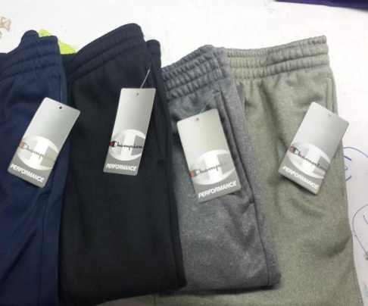 | 306 | PANT | CHARCOAL | S | 6 | 48 | 288 | 16
 | 306 | PANT | CHARCOAL | M | 9 | 48 | 432 | 32
 | 306 | PANT | CHARCOAL | L | 12 | 48 | 576 | 43
 | 306 | PANT | CHARCOAL | XL | 5 | 48 | 240 | 41
 | TOTAL |  |  |  | 32 |  | 1536 | 132 | 4
 | 306 | PANT | GREY | S | 7 | 48 | 336 | 21
 | 306 | PANT | GREY | M | 14 | 48 | 672 | 6
 | 306 | PANT | GREY | L | 14 | 48 | 672 | 40
 | 306 | PANT | GREY | XL | 7 | 48 | 336 | 20
 | TOTAL |  |  |  | 42 |  | 2016 | 87 | 2
 | 306 | PANT | NAVY | S | 2 | 48 | 96 | 1
 | 306 | PANT | NAVY | M | 3 | 48 | 144 | 17
 | 306 | PANT | NAVY | L | 3 | 48 | 144 | 25
 | 306 | PANT | NAVY | XL | 1 | 48 | 48 | 37
 | TOTAL |  |  |  | 9 |  | 432 | 80 | 2
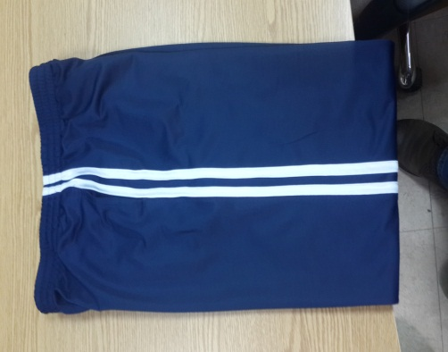 | 4JY | PANT | GREY | S | 27 | 24 | 648 | 15
 | 4JY | PANT | GREY | M | 56 | 24 | 1344 | 6
 | 4JY | PANT | GREY | L | 57 | 24 | 1368 | 4
 | 4JY | PANT | GREY | XL | 27 | 24 | 648 | 12
 | TOTAL |  |  |  | 167 |  | 4008 | 37 | 2

 | TOTAL |  |  |  | 697 |  | 18984 | 622 | 2

 |  |  |  |  |  |  | Total Units: | 19606
 |  |  |  |  |  |  | Total Cartons: | 699

Hoodie
Boy's | STYLE | DESCRIPTION | COLOUR | SIZE | QTY CTN | PCS IN CTN | QTY PCS | Bkn Pcs. | Bkn Ctn. | Grad T Pcs. | Grad T Ctn.
 | M84T | HOODIE | BLACK | S | 59 | 12 | 708 | 3
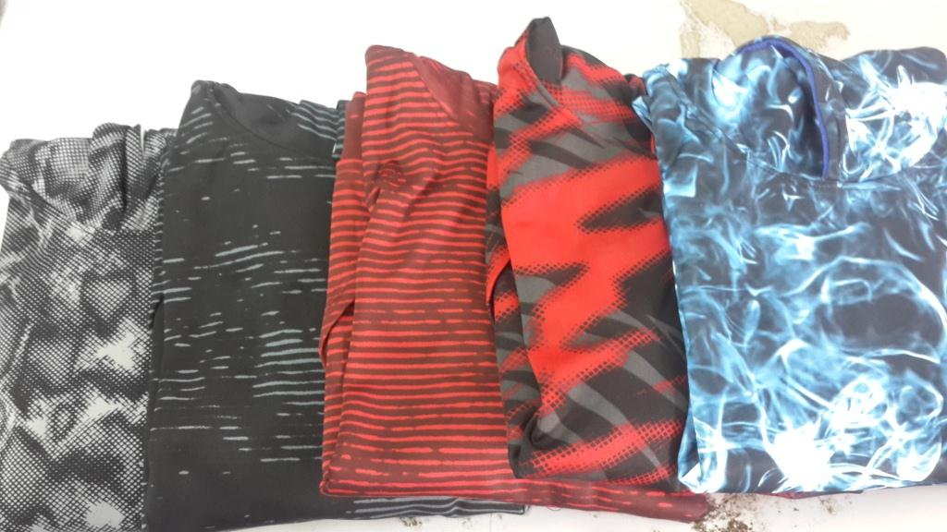 | M84T | HOODIE | BLACK | M |  |  |  | 5
 | M84T | HOODIE | BLACK | L |  |  |  | 2
 | M84T | HOODIE | BLACK | XL
 |  |  |  |  | 59 |  | 708 | 10 | 1 | 718 | 60
 | M84T | HOODIE | RED | S | 80 | 12 | 960 | 8
 | M84T | HOODIE | RED | M |  |  |  | 23
 | M84T | HOODIE | RED | L |  |  |  | 17
 | M84T | HOODIE | RED | XL |  |  |  | 12
 |  |  |  |  | 80 |  | 960 | 60 | 5 | 1020 | 85
 | M84T | HOODIE | YELLOW | S | 72 | 12 | 864 | 32
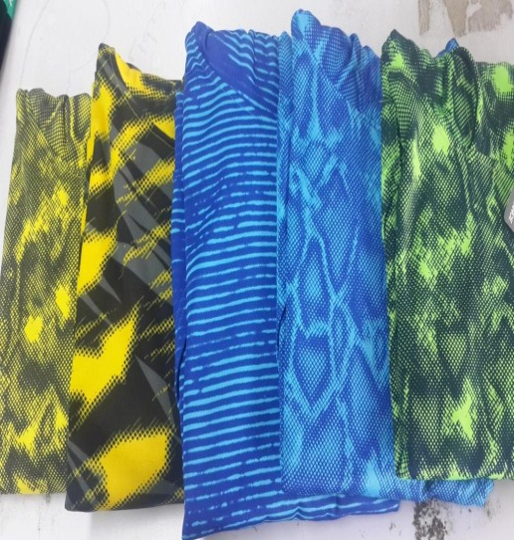 | M84T | HOODIE | YELLOW | M |  |  |  | 69
 | M84T | HOODIE | YELLOW | L
 | M84T | HOODIE | YELLOW | XL |  |  |  | 33
 |  |  |  |  | 72 |  | 864 | 134 | 11 | 998 | 83
 | M84T | HOODIE | ROYAL | S | 108 | 12 | 1296 | 17
 | M84T | HOODIE | ROYAL | M |  |  |  | 74
 | M84T | HOODIE | ROYAL | L |  |  |  | 60
 | M84T | HOODIE | ROYAL | XL |  |  |  | 29
 |  |  |  |  | 108 |  | 1296 | 180 | 9 | 1476 | 117
 | M84T | HOODIE | GREEN | S | 163 | 12 | 1956 | 16
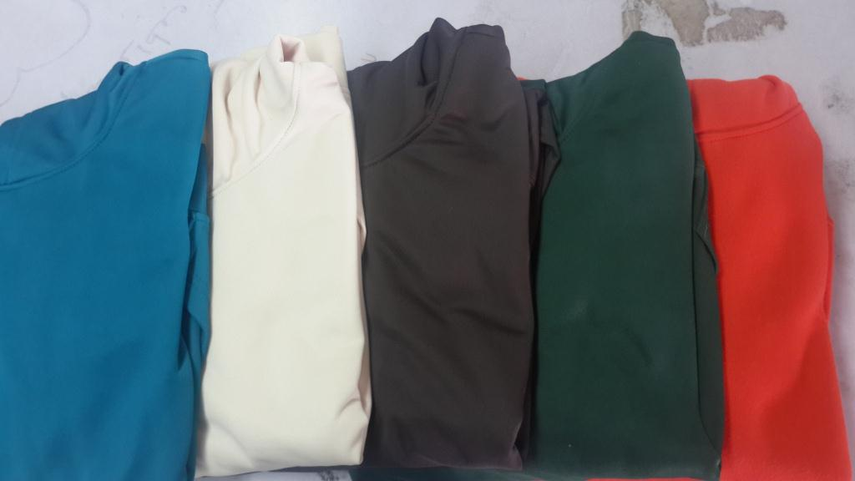 | M84T | HOODIE | GREEN | M |  |  |  | 33
 | M84T | HOODIE | GREEN | L |  |  |  | 21
 | M84T | HOODIE | GREEN | XL |  |  |  | 14
 |  |  |  |  | 163 |  | 1956 | 84 | 4 | 2040 | 167
 | M84T | HOODIE | OFF WHITE | S | 23 | 12 | 276 | 2
 | M84T | HOODIE | OFF WHITE | M |  |  |  | 4
 | M84T | HOODIE | OFF WHITE | L |  |  |  | 3
 | M84T | HOODIE | OFF WHITE | XL |  |  |  | 2
 |  |  |  |  | 23 |  | 276 | 11 | 1 | 287 | 24
 | M84T | HOODIE | REAL TEAL | S | 11 | 12 | 132 | 2
 | M84T | HOODIE | REAL TEAL | M |  |  |  | 5
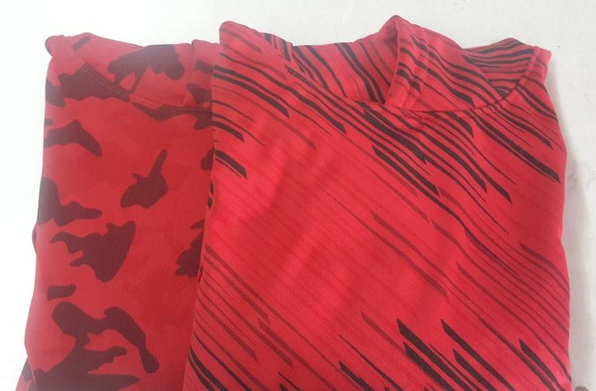 | M84T | HOODIE | REAL TEAL | L
 | M84T | HOODIE | REAL TEAL | XL |  |  |  | 1
 |  |  |  |  | 11 |  | 132 | 8 | 1 | 140 | 12
 | M84T | HOODIE | BROWN | S | 12 | 12 | 144
 | M84T | HOODIE | BROWN | M |  |  |  | 4
 | M84T | HOODIE | BROWN | L |  |  |  | 4
 | M84T | HOODIE | BROWN | XL |  |  |  | 1
 |  |  |  |  | 12 |  | 144 | 9 | 1 | 153 | 13
 | M84T | HOODIE | D:ORANGE | S | 36 | 12 | 432 | 3
 | M84T | HOODIE | D:ORANGE | M |  |  |  | 7
 | M84T | HOODIE | D:ORANGE | L |  |  |  | 3
 | M84T | HOODIE | D:ORANGE | XL
 |  |  |  |  | 36 |  | 432 | 13 | 1 | 445 | 37
 | M84T | HOODIE | D:GREY | S | 27 | 12 | 324 | 12
 | M84T | HOODIE | D:GREY | M |  |  |  | 21
 | M84T | HOODIE | D:GREY | L |  |  |  | 21
 | M84T | HOODIE | D:GREY | XL |  |  |  | 7
 |  |  |  |  | 27 |  | 324 | 61 | 5 | 385 | 32
 | M84T | HOODIE | ORANGE | S | 22 | 12 | 264 | 2
 | M84T | HOODIE | ORANGE | M |  |  |  | 6
 | M84T | HOODIE | ORANGE | L |  |  |  | 4
 | M84T | HOODIE | ORANGE | XL |  |  |  | 6
 |  |  |  |  | 22 |  | 264 | 18 | 2 | 282 | 24
 | M84T | HOODIE | LIMON | S | 1 | 12 | 12 | 2
 | M84T | HOODIE | LIMON | M |  |  |  | 3
 | M84T | HOODIE | LIMON | L |  |  |  | 3
 | M84T | HOODIE | LIMON | XL |  |  |  | 3
 |  |  |  |  | 1 |  | 12 | 11 | 1 | 23 | 2

 |  |  |  |  |  |  |  |  |  | TOTAL Pcs | TOTAL Ctn.
 |  |  |  |  |  |  |  |  |  | 7967 | 656

